Sheet1
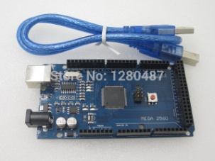
Pin | Function | Usage | Pin | Function | Usage | Pin | Function | Usage | Pin | Function | Usage |  | by | Olavi Kamppari
 |  |  |  |  |  |  |  |  | 21 | SCL | IMU SCL |  | Original | 2016-02-24
 |  |  |  |  |  |  |  |  | 20 | SDA | IMU SDA |  | Rev 1 | 2016-03-21
 |  |  |  |  |  |  |  |  |  | AREF |  |  | Rev2 | 2016-04-04
 |  |  |  |  |  |  |  |  |  | GND
 |  |  |  |  |  |  |  |  | 13 | LED
 | RST |  |  |  |  |  |  |  | 12 | PCINT6 | IMU INT
 | 3V3 |  |  |  |  |  |  |  | 11 |  |  |  | Arduino Mega 2560
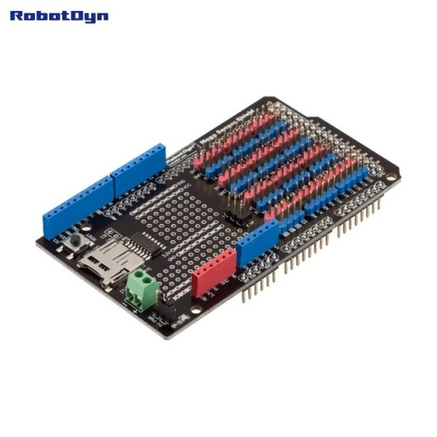
 | 5V |  |  |  |  |  |  |  | 10 | DO | SD_CS
 | GND |  |  |  |  |  |  |  | 9 | D0 | MR_B
 | GND |  |  |  |  |  |  |  | 8 | DO | ML_B
 | VIN
 |  |  |  |  |  |  |  |  | 7 | DO | ML_A |  | Sensor Shield
A0 | DO | ML_ENA |  |  |  |  |  |  | 6 | OC4A | MR_PWM
A1 | DO | MR_ENA |  |  |  |  |  |  | 5 | OC3A | ML_PWM
A2 | AI | ML_CS |  |  |  |  |  |  | 4 | DO | MR_A
A3 | AI | MR_CS |  |  |  |  |  |  | 3 | DO | Sound
A4 |  |  |  |  |  |  |  |  | 2
A5 |  |  |  |  |  |  |  |  | 1 | Tx | USB
A6 |  |  |  |  |  |  |  |  | 0 | Rx | USB
A7

50 | DI | SD_MISO
51 | DO | SD_MOSI | 38 |  |  | 26 |  |  | 14 |  |  |  | Free Pin
52 | DO | SD_CLK | 39 |  |  | 27 |  |  | 15
53 |  |  | 40 |  |  | 28 |  |  | 16
 |  |  | 41 |  |  | 29 |  |  | 17
A6 | AI | ODS_L |  |  |  |  |  |  |  |  |  |  | L | = Left
A7 | AI | ODS_R | 42 |  |  | 30 |  |  | 18 | DI | IR_LF |  | R | = Right
A8 | PCINT16 | ECHO_0_FL | 43 | DO | US0_TRIG | 31 |  |  | 19 | DI | IR_FL |  | F | = Front
A9 | PCINT17 | ECHO_1_FF | 44 | DO | US1_TRIG | 32 |  |  | 20 | DI | IR_FR |  | B | = Back
A10 | PCINT18 | ECHO_2_FR | 45 | DO | US2_TRIG | 33 |  |  | 21 | DI | IR_RF

A11 | PCINT19 | ECHO_3_BR | 46 | DO | US3_TRIG | 34 |  |  | 22 | DI | IR_RB
A12 | PCINT20 | ECHO_4_BB | 47 | DO | US4_TRIG | 35 | DO | STB | 23 | DI | IR_BR
A13 | PCINT21 | ECHO_5_BL | 48 | DO | US5_TRIG | 36 | DO | CLK | 24 | DI | IR_BL
A14 |  |  | 49 |  |  | 37 | DI/DO | DIO | 25 | DI | IR_LB
A15

Ultrasonic Sensor (US0 .. US5) |  |  |  |  |  | HC-SR04 |  |  |  |  | IMU | Inertial Measurement Unit (Compass, Gyro, Accelerometer)
 | Yellow | Echo |  | A8..A13 |  |  |  |  |  |  | I2C | Inter-Integrated Circuit protocol, with SCL and SDA
 | Black | Gnd |  |  |  |  |  |  |  |  | SCL | Serial Clock Line
 | Red | VCC |  |  |  |  |  |  |  |  | SDA | Serial Data Line
 | White | Trig |  | 43 .. 48 |  |  |  |  |  |  | AREF | Analog Reference (Voltage)
 |  |  |  |  |  |  |  |  |  |  | GND | Ground, 0 V (VEE and VSS) |  |  | Black
Infrared Sensor (IR) |  |  |  |  |  | FC-51 |  |  |  |  | PCINT | Pin Change Interrupt
 | Yellow | OUT |  | 18 .. 25 |  |  |  |  |  |  | DO | Digital Output
 | Black | Gnd |  |  |  |  |  |  |  |  | SD | Generic name for SDHC and SDXC disk
 | Red | VCC |  |  |  |  |  |  |  |  | SDHC | Secure Digital High Capacity,up to 32 GB
 |  |  |  |  |  |  |  |  |  |  | SDXC | Secure Digital Extended Capacity, up to 2TB
Optical Distance Sensor ODS) |  |  |  |  |  | SHARP 2Y0A21 |  |  |  |  | SPI | Serial Peripheral Interface protocol
 | Yellow | OUT |  | A6 .. A7 |  |  |  |  |  |  | SD_CS | SD Chip Select signal in SPI
 | Black | Gnd |  |  |  |  |  |  |  |  | SD_MISO | SD Master In Slave Out signal in SPI
 | Red | VCC |  |  |  |  |  |  |  |  | SD_MOSI | SD Maste Out Slave In signal in SPI
 |  |  |  |  |  |  |  |  |  |  | SD_CLK | SD Clock signal in SPI
LED & KEY |  |  |  |  |  | TM1638 |  |  |  |  | PWM | Pulse Width Modulation, analog output
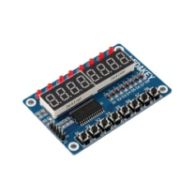
 | Blue | DIO |  | 35 |  |  |  |  |  |  | DI | Digital Input
 | Green | CLK |  | 36 |  |  |  |  |  |  | AI | Analog Input
 | Yellow | STB |  | 37 |  |  |  |  |  |  | AO | Analog Output
 | Red | VCC |  | 37 Red |  |  |  |  |  |  | Tx | Transmit signal in UART
 | Brown | GND |  | 37 Black |  |  |  |  |  |  | Rx | Receive signal in UART
 |  |  |  |  |  |  |  |  |  |  | UART | Universal Asynchronous Receiver Transmitter
Motor Drives (left, Right) |  |  |  |  |  | VNH2SP30 |  |  |  |  | STB | Strobe (active during communication)
 | In shield | ENA |  | A0, A1 |  |  |  |  |  |  | CLK | Mark valid data
 | In shield | CS |  | A2, A3 |  |  |  |  |  |  | DIO | Digital Input/Output, bidirectional
 | In shield | A |  | 7, 4 |  |  |  |  |  |  | VCC | Voltage at bipolar junction transistor Collector |  |  | Red
 | In shield | B |  | 8, 9 |  |  |  |  |  |  | VDD | Voltage at field-effect transistor Drain
 | In shield | PWM |  | 5, 6 |  |  |  |  |  |  | VBB | Voltage at BJT Base (current driven)
 |  |  |  |  |  |  |  |  |  |  | VGG | Voltage at FET Gate (voltage driven)
Inertial Measurment Unit |  |  |  |  |  | MPU9255 |  |  |  |  | VEE | Voltage at BJT Emitter
 | Red | VCC |  |  |  |  |  |  |  |  | VSS | Voltage at FET Source
 | Black | GND |  |  |  |  |  |  |  |  | INT | Interrupt
 | Yellow | SCL |  | 21
 | Blue | SDA |  | 20 |  |  |  |  |  |  | In old Arduino, like Mega, Vcc = + 5V (or 5V)
 | White | INT |  | 12 |  |  |  |  |  |  | In new Arduino, Raspberry Pi, and ESP8266, VCC = +3.3V (or 3V3)

